4-foci foXXus
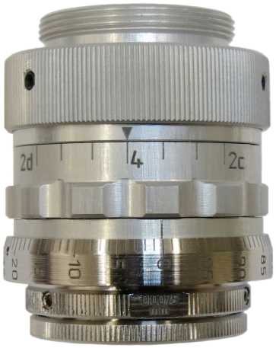
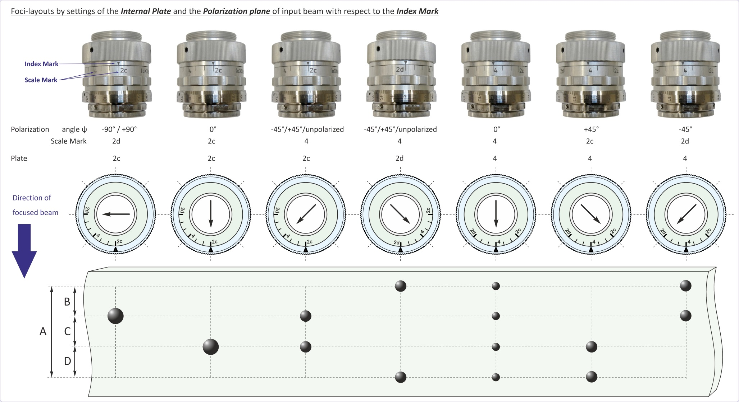
foXXus_NA0.8
Calculations of energy distribution between foci
ψ = | 0 | ° | Angle of the input polarization plane with respect to the Index Mark | Index Mark
α = | 45 | ° | Ring "Plate": 0° = "2c"; 45° = "4"; 90° = "2d"
 | I | II | III | IV | -
1 | 1 | 2 | 3 | 4 | 6
 |  |  | 0
 | Focus | Energy Portion
 | I | 0.250
 | II | 0.250
 | III | 0.250
 | IV | 0.250
 | S = | 1

